Summary and Charts
Statistics | Charts | Trades | Formula | Settings | Symbols | Monte Carlo
 |  |  |  | 1. Portfolio Equity
Statistics
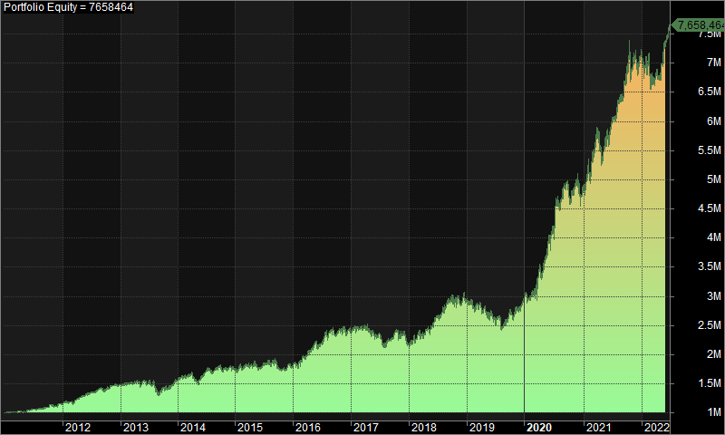
 | All trades | Long trades | Short trades
Initial capital | 1000000 | 1000000 | 1000000
Ending capital | 7658463.55 | 1000000 | 7658463.55
Net Profit | 6658463.55 | 0 | 6658463.55
Net Profit % | 665.85% | 0.00% | 665.85%
Exposure % | 3.87% | 0.00% | 3.87%
Net Risk Adjusted Return % | 17222.71% | N/A | 17222.71%
Annual Return % | 19.37% | 0.00% | 19.37%
Risk Adjusted Return % | 501.12% | N/A | 501.12%
Total transaction costs | 3185076.62 | 0 | 3185076.62

All trades | 1684 | 0 (0.00 %) | 1684 (100.00 %)
Avg. Profit/Loss | 3953.96 | N/A | 3953.96
Avg. Profit/Loss % | 4.72% | N/A | 4.72%
Avg. Bars Held | 116.01 | N/A | 116.01

Winners | 790 (46.91 %) | 0 (0.00 %) | 790 (46.91 %)
Total Profit | 25475824.04 | 0 | 25475824.04
Avg. Profit | 32247.88 | N/A | 32247.88
Avg. Profit % | 38.74% | N/A | 38.74%
Avg. Bars Held | 177.98 | N/A | 177.98
Max. Consecutive | 8 | 0 | 8
Largest win | 412453.33 | 0 | 412453.33
# bars in largest win | 235 | 0 | 235
 |  |  |  | 2. Underwater Equity

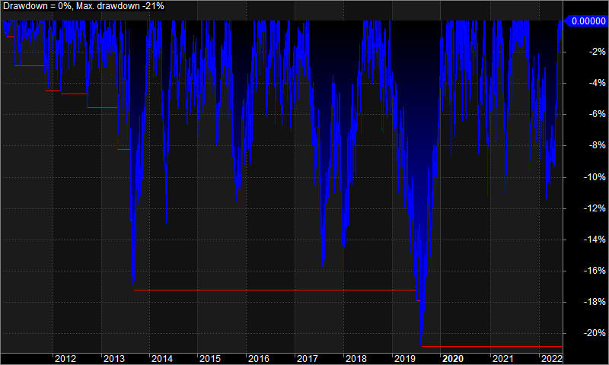
Losers | 894 (53.09 %) | 0 (0.00 %) | 894 (53.09 %)
Total Loss | -18817360.49 | 0 | -18817360.49
Avg. Loss | -21048.5 | N/A | -21048.5
Avg. Loss % | -25.33% | N/A | -25.33%
Avg. Bars Held | 61.26 | N/A | 61.26
Max. Consecutive | 10 | 0 | 10
Largest loss | -288853.79 | 0 | -288853.79
# bars in largest loss | 76 | 0 | 76

Max. trade drawdown | -369749.21 | 0 | -369749.21
Max. trade % drawdown | -99.91 | 0 | -99.91
Max. system drawdown | -845319.96 | 0 | -845319.96
Max. system % drawdown | -20.84% | 0.00% | -20.84%
Recovery Factor | 7.88 | N/A | 7.88
CAR/MaxDD | 0.93 | N/A | 0.93
RAR/MaxDD | 24.05 | N/A | 24.05
Profit Factor | 1.35 | N/A | 1.35
Payoff Ratio | 1.53 | N/A | 1.53
Standard Error | 829039.65 | 0 | 829039.65
Risk-Reward Ratio | 0.52 | N/A | 0.52
Ulcer Index | 5.73 | 0 | 5.73
Ulcer Performance Index | 2.44 | N/A | 2.44
Sharpe Ratio of trades | 1.38 | 0 | 1.38
K-Ratio | 0 | N/A | 0
 |  |  |  | 3. Profit Table

 |  |  |  | Year | Jan | Feb | Mar | Apr | May | Jun | Jul | Aug | Sep | Oct | Nov | Dec | Yr%
 |  |  |  | 2011 | 1.30% | 1.20% | 0.20% | -0.90% | 2.70% | 1.50% | 0.10% | 1.20% | 2.40% | 2.80% | -1.50% | 3.20% | 15.00%
 |  |  |  | 2012 | 4.00% | 0.00% | 1.90% | 4.00% | 4.40% | 1.40% | 2.10% | 4.40% | -2.40% | 4.20% | 2.50% | -0.50% | 29.00%
 |  |  |  | 2013 | 2.00% | -0.80% | 1.10% | 0.60% | 1.90% | -2.90% | 1.90% | -14.80% | 9.20% | -1.40% | 5.20% | 5.50% | 5.70%
 |  |  |  | 2014 | 2.50% | 1.60% | 2.60% | -7.80% | 5.70% | 6.00% | 0.30% | 0.90% | 0.50% | -0.10% | 1.20% | -1.70% | 11.60%
 |  |  |  | 2015 | 2.10% | -0.50% | 2.30% | -0.40% | -4.00% | 4.80% | 1.80% | -0.90% | -3.80% | -0.20% | 0.80% | 1.20% | 2.90%
 |  |  |  | 2016 | 0.50% | 6.30% | 2.80% | 3.90% | 6.90% | -0.40% | 8.70% | 1.80% | -4.50% | 3.40% | 0.60% | 0.60% | 34.50%
 |  |  |  | 2017 | 2.60% | -1.90% | 1.30% | -2.10% | -5.30% | 3.50% | -8.60% | 3.10% | 5.10% | 0.30% | -0.10% | -7.50% | -10.20%
 |  |  |  | 2018 | 5.40% | 3.00% | 0.00% | 4.00% | 2.30% | 5.60% | 5.00% | 4.50% | 2.60% | -2.90% | -1.00% | 2.30% | 34.90%
 |  |  |  | 2019 | -1.00% | -3.50% | 1.90% | -2.50% | -1.60% | -4.90% | 1.00% | -3.50% | 8.00% | -3.00% | 3.10% | 7.20% | 0.20%
 |  |  |  | 2020 | 0.70% | 3.70% | 10.20% | 1.40% | 8.00% | 13.30% | 11.50% | 1.90% | 2.10% | -2.80% | 6.10% | -4.50% | 63.10%
 |  |  |  | 2021 | 5.70% | 6.90% | 6.40% | -6.30% | 6.20% | 3.70% | 1.90% | 5.60% | 5.00% | 1.30% | 4.90% | -0.20% | 48.60%
 |  |  |  | 2022 | -2.20% | -3.60% | -0.30% | 0.60% | 8.60% | 4.70% | N/A | N/A | N/A | N/A | N/A | N/A | 7.50%
 |  |  |  | Avg | 2.00% | 1.00% | 2.50% | -0.50% | 3.00% | 3.00% | 2.30% | 0.40% | 2.20% | 0.10% | 2.00% | 0.50%

